BUG
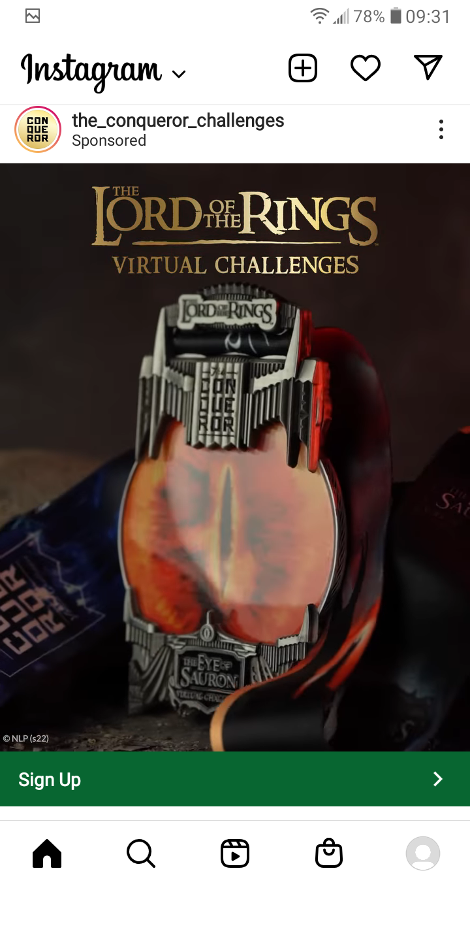
In Instagram scroll down till you see an AD

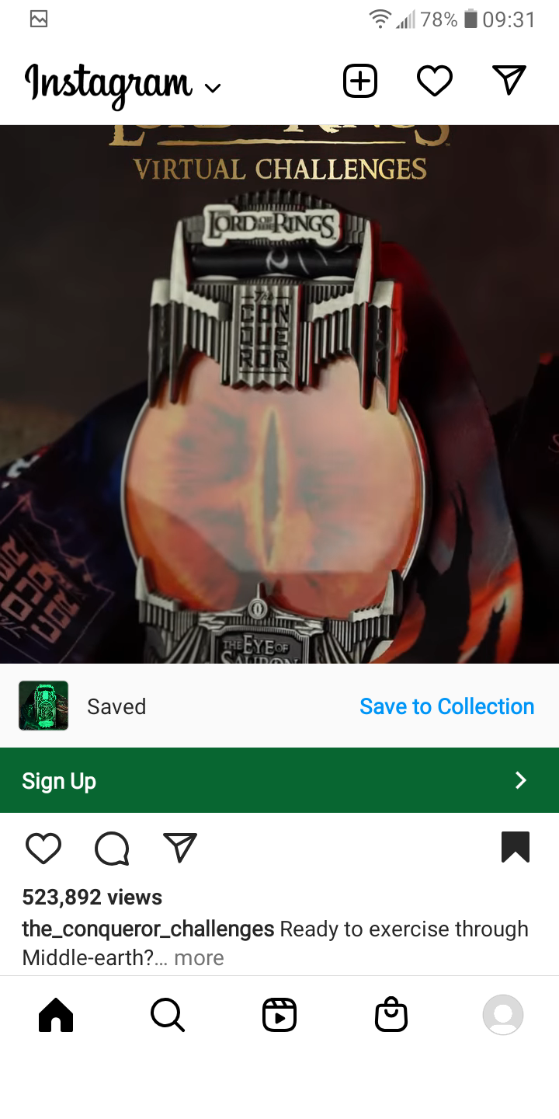

Save the post

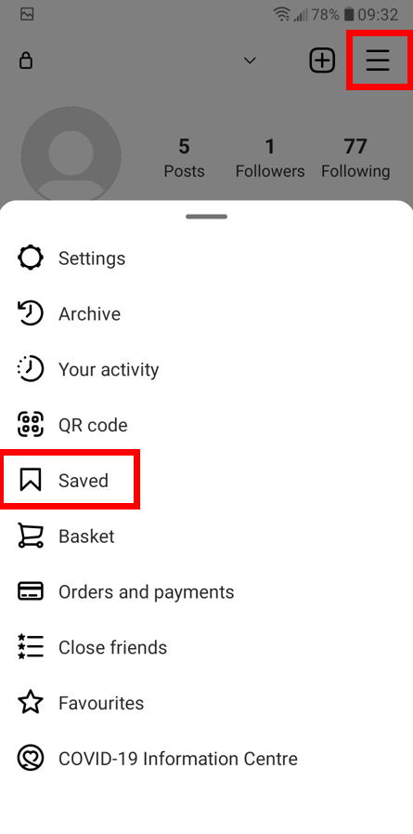

Go to your account / Saved / All posts

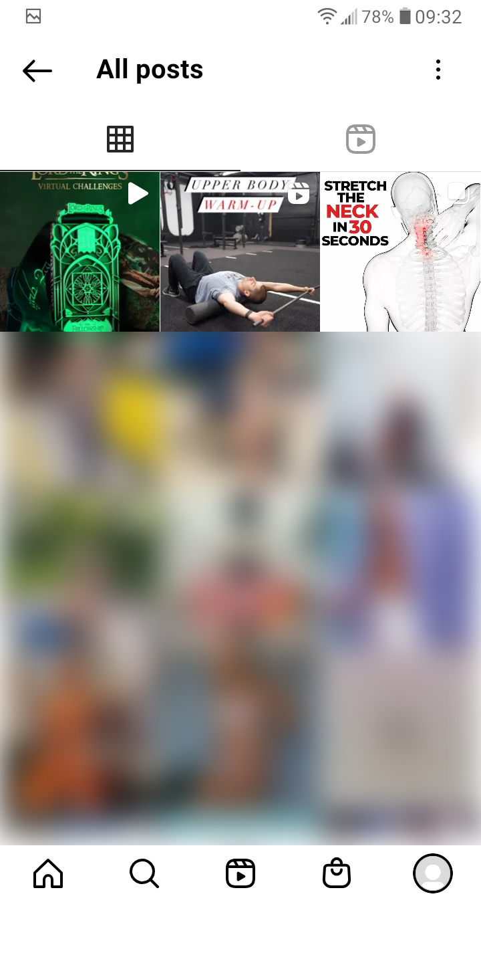
The saved post(ad) is visible Click on it

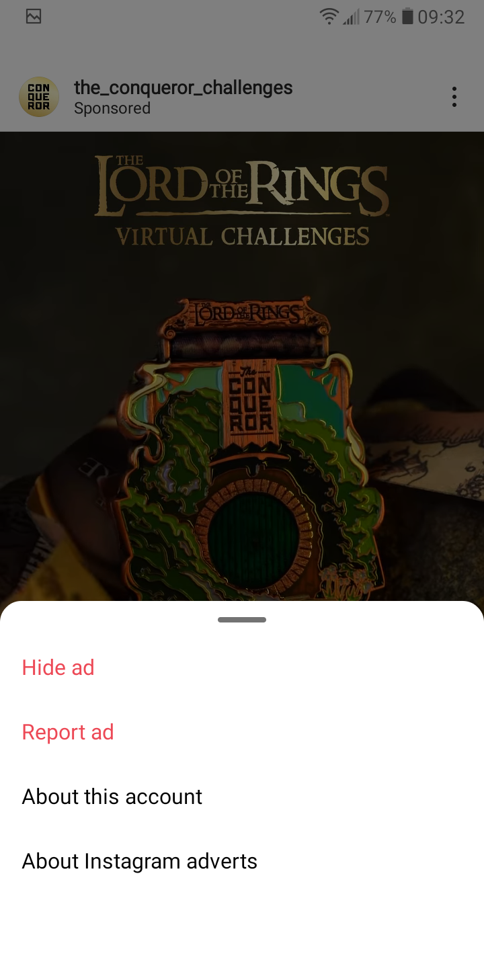

The original post(ad) is displayed Click on the 3 dots / Hide ad

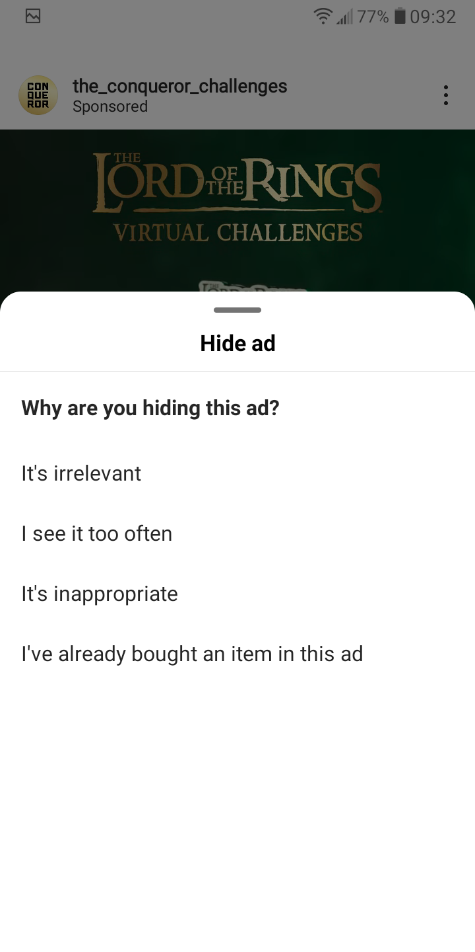
Select any of the listed options (only the "It`s irrelevant" option is tested)

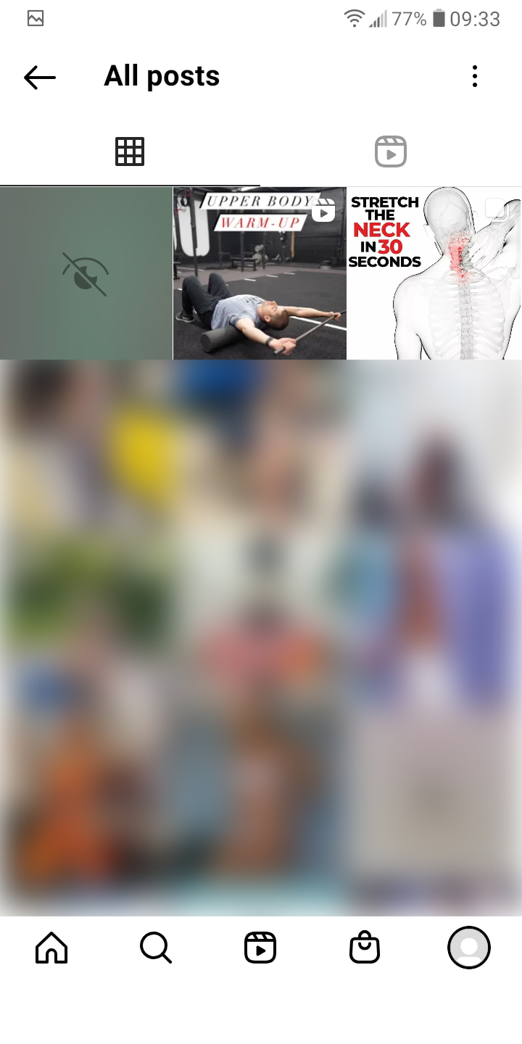
Go back to your account / Saved / All post The ad is still listed, but: A, the cover picture is blurred out B, clicking on it, the original post(ad) is not displayed C, not able to remove this item from the Saved list

